Definitions and User Guide
Defintions For Stakeholder Analysis |  | Notes/Supplimental Graphics
The Interest Metric | Each stakeholder that is going to be sourced will be at different levels of interest. To achieve a metric that actualizes this knowledge, the Interest Metric will be introduced, which will weight the different stakeholders based on their interests In the given topic. These weights can then be assigned as multipliers to a coordinate system, in order to plot the different companies on the Power-Interest Grid | Will be a subjective process, and will depend on opinions compiled and gained from interviews, sponser meetings, and individual group meetings | Climate Change and Disaster Stakeholders that will be considered for this project:
Interest Metric Breakdown | To determine the different types of interests that the stakeholders have, they will be broken up into their interest groups. These five groups will be: Financially Interested Partners, Environentally Interested Partners, Non-Critically Interested Partners, Legislatively Interested Partners, and Reputationally Interested Partners. | As of 03/19/22, these groups are unweighted. However, if after refering this document to our sponsor, we can assign different weights to each catagory for priority, and have that also weigh into the overall Interest Metric. | 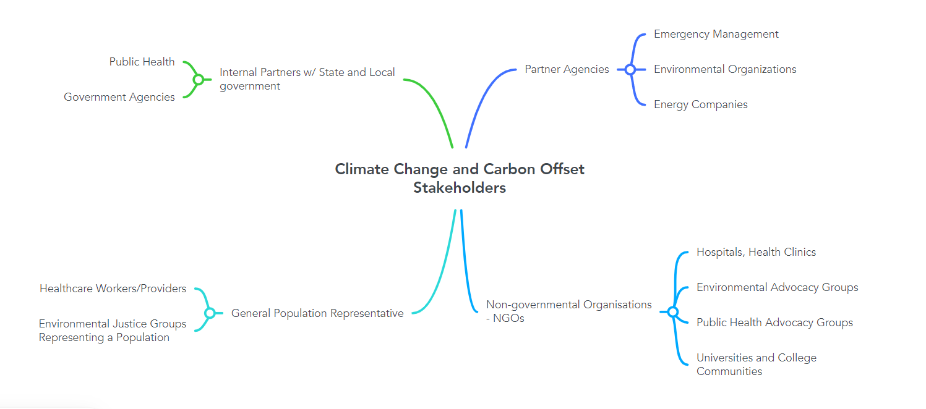
The Power Metric | Each stakeholder that is going to be sourced will be gauged on the power they have in influencing the project. To achieve a metric that actualizes this knowledge, the Power Metric will be introduced. To do this, our group will identify the stakeholders that we have outlined, and gauge their ability to influence the project, then assigning them a power ranking based on a drop down selection system. This will then assign a weight | The power metric right now is a slider based system. However, if after refering this document to our sponsor, the format can be changed to more accurately suit the needs or standards that we want to reflect

User Guide
Step 1: Identify Stakeholders
The first step in using this template is to generate a list of stakeholders that you want to analyze. We have 4 different subcatagories for the carbon offset market in the United States: NGO's, State and Local Governments, Vulnerable Populations/General Populations, and Partner Agencies. When determining these 4 stakeholder groups, our research team consulted online literature, which gave us direction on how to generate these groups. The government groups are the stakeholders who will approve and pass these offsets into the market, the partner agencies and NGOs are the ones who will interact with these passed policies and offsets, and the general populations are the groups that will be impacted by the actions of those who use offsets. This list therefore encompasses all parties involved in any usage of the Carbon offset market in the US, and we recommend that any future developements of a Carbon Offset Credit in Taiwan use these broad stakeholder groups as a basis for the stakeholder analysis.
Step 2: Weight Stakeholders
The next step in using this template will be to weigh the different stakeholder subcategories and the interest metric subcategories. Weighting these different rankings will help avoid the heteroskedastic trends discussed in the report.
Step 3: Determine the Power and Interest for Each Stakeholder and Populate the Communications Table
Using any interview and survey data collected for this process, project developers will need to fill in the respective Interest Metric and Power Metric Sheets (I.M. and P.M) Sheets. After this is complete, the Power Interest Grid will autopopulate and the communications table will be open to fill in. This should be filled in using the reference tables in the appendices of the final report as guidance.

 |  |  | NOTE: These stakeholders will be different from the different companies and organizations we are going to be interviewing. The interviews are being done to gauge some metrics that are prevalant accoss different companies, and will be used to help gauge the criteria being used to evaulate The Power Metric (see definitions)

Stakeholder List
Potential Internal Partners within State or Local Government Organisation |  |  |  | Potential Partner Agencies | Potential NGOs | Potential Vulnerable Populations
Public Health |  |  |  | Emergency Management | Hospitals, health clinics | Healthcare Workers
State/Federal/Government Agencies |  |  |  | Environmental Organizations | Environmental Advocacy groups | Environemental Justice Group Representing a Population
 |  |  |  | Energy Companies | Public Health Advocacy groups
 |  |  |  |  | Universities and Academic Research Groups

Stakeholder Type Breakdown
 | 2
 | 3
 | 4
 | 2
# of Government Stakeholders |  |  | 2

# of Partener Agency Stakeholders |  |  | 3

# of NGOs |  |  | 4

# of Vulnerable Populations |  |  | 2

Importance Weights

 | Ranking | Assigned Weight
State/Local Governments | 2 | 0.75

Partner Agencies | 3 | 0.5

NGOs | 1 | 1

Vulnerable Populations | 4 | 0.25

The Power-Interest Grid
Stakeholder Group | METRICS |  | THE POWER INTEREST GRID | Communications Table Logic Table
 | THE INTERST METRIC | THE POWER METRIC |  | Stakeholders | Interest Table Check | Power Table Check | P-I Engagement Level
Potential Internal Partners within State or Local Government Organisation |  |  |  | Potential Internal Partners within State or Local Government Organisation
Public Health | 0.47666666667 | 0.535 |  | Public Health | FALSE | TRUE | Actively Consult
 | Coordinates
0.47666666667 | 0.535
0.55666666667 | 0.79
0.38 | 0.395
0.51333333333 | 0.73
0.62 | 0.64
0.53333333333 | 0.71
0.62666666667 | 0.825
0.54666666667 | 0.785
0.50666666667 | 0.85
0.29666666667 | 0.155
0.29666666667 | 0.185
State/Federal/Government Agencies | 0.55666666667 | 0.79 |  | State/Federal/Government Agencies | TRUE | TRUE | Regularly Engage
0 |  |  |  | 0
0 |  |  |  | 0
0 |  |  |  | 0
0 |  |  |  | 0
0 |  |  |  | 0
0 |  |  |  | 0
0 |  |  |  | 0
0 |  |  |  | 0
0 |  |  |  | 0
0 |  |  |  | 0
0 |  |  |  | 0
0 |  |  |  | 0
0 |  |  |  | 0
0 |  |  |  | 0
0 |  |  |  | 0
0 |  |  |  | 0
0 |  |  |  | 0
0 |  |  |  | 0
0 |  |  |  | 0
0 |  |  |  | 0
0 |  |  |  | 0
0 |  |  |  | 0
0 |  |  |  | 0
Potential Partner Agencies |  |  |  | Potential Partner Agencies
Emergency Management | 0.38 | 0.395 |  | Emergency Management | FALSE | FALSE | Keep Informed
Environmental Organizations | 0.51333333333 | 0.73 |  | Environmental Organizations | TRUE | TRUE | Regularly Engage
Energy Companies | 0.62 | 0.64 |  | Energy Companies | TRUE | TRUE | Regularly Engage
0 |  |  |  | 0
0 |  |  |  | 0
0 |  |  |  | 0
0 |  |  |  | 0
0 |  |  |  | 0
0 |  |  |  | 0
0 |  |  |  | 0
0 |  |  |  | 0
0 |  |  |  | 0
0 |  |  |  | 0
0 |  |  |  | 0
0 |  |  |  | 0
0 |  |  |  | 0
0 |  |  |  | 0
0 |  |  |  | 0
0 |  |  |  | 0
0 |  |  |  | 0
0 |  |  |  | 0
0 |  |  |  | 0
0 |  |  |  | 0
0 |  |  |  | 0
0 |  |  |  | 0
Potential NGOs |  |  |  | Potential NGOs
Hospitals, health clinics | 0.53333333333 | 0.71 |  | Hospitals, health clinics | TRUE | TRUE | Regularly Engage
Environmental Advocacy groups | 0.62666666667 | 0.825 |  | Environmental Advocacy groups | TRUE | TRUE | Regularly Engage
Public Health Advocacy groups | 0.54666666667 | 0.785 |  | Public Health Advocacy groups | TRUE | TRUE | Regularly Engage
Universities and Academic Research Groups | 0.50666666667 | 0.85 |  | Universities and Academic Research Groups | TRUE | TRUE | Regularly Engage
0 |  |  |  | 0
0 |  |  |  | 0
0 |  |  |  | 0
0 |  |  |  | 0
0 |  |  |  | 0
0 |  |  |  | 0
0 |  |  |  | 0
0 |  |  |  | 0
0 |  |  |  | 0
0 |  |  |  | 0
0 |  |  |  | 0
0 |  |  |  | 0
0 |  |  |  | 0
0 |  |  |  | 0
0 |  |  |  | 0
0 |  |  |  | 0
0 |  |  |  | 0
0 |  |  |  | 0
0 |  |  |  | 0
0 |  |  |  | 0
0 |  |  |  | 0
Potential Vulnerable Populations |  |  |  | Potential Vulnerable Populations
Healthcare Workers | 0.29666666667 | 0.155 |  | Healthcare Workers | FALSE | FALSE | Keep Informed
Environemental Justice Group Representing a Population | 0.29666666667 | 0.185 |  | Environemental Justice Group Representing a Population | FALSE | FALSE | Keep Informed
0 |  |  |  | 0
0 |  |  |  | 0
0 |  |  |  | 0
0 |  |  |  | 0
0 |  |  |  | 0
0 |  |  |  | 0
0 |  |  |  | 0
0 |  |  |  | 0
0 |  |  |  | 0
0 |  |  |  | 0
0 |  |  |  | 0
0 |  |  |  | 0
0 |  |  |  | 0
0 |  |  |  | 0
0 |  |  |  | 0
0 |  |  |  | 0
0 |  |  |  | 0
0 |  |  |  | 0
0 |  |  |  | 0
0 |  |  |  | 0
0 |  |  |  | 0
0 |  |  |  | 0
0 |  |  |  | 0

