Occupation
Occupation | Number of Responses | %
Housewife | 4 | 19%
Rubber Farming | 5 | 24%
Freelance Work | 3 | 14%
Rubber Farming & Retail | 2 | 10%
Fisherman | 4 | 19%
Retired Village Head | 1 | 5%
Retailer | 2 | 10%
Total | 21
Occupations
Occupations

Age
Age | Number of Responses | %
15-24 | 0 | 0%
25->34 | 4 | 19%
35->44 | 4 | 19%
45->54 | 5 | 24%
55->64 | 5 | 24%
65 & Over | 3 | 14%
aGe Range
aGe Range

Time in Village
Years lived in village | Number of Responses | %
Less than 10 | 5 | 24%
10->19 | 0 | 0%
20->29 | 2 | 10%
30->39 | 6 | 29%
40->49 | 2 | 10%
50 & Over | 6 | 29%
Years Villagers Have Resided in the Village
Years Villagers Have Resided in the Village

Drinking Water Analysis
DRINKING
Y | N
1 | 0
Does not belive it is safe so he installed a treatment machine which costs 10K. Machine was bought 5 years ago and works well
0 | 1
 | Bought drinking water from delivery trucks (10 baht / tank)
0 | 1
 | Bought drinking water from delivery trucks (12 baht / tank)
1 | 0
Yes, with a 2000 Baht treatment tank (used for cooking)
0 | 1
 | No, he doesn’t think the water is safe for drinking. He buys water at 10 baht per tank. |  | Safe to drink | Not safe to drink
 |  |  | 2 | 19
0 | 1
 | No, he doesn’t think it’s safe for drinking, so he buys water at 13 baht per tank. |  |  |  |  | Safe to Drink | Unsafe to Drink
0 | 1 |  |  |  | No Water Treatment | 10% | 10%
 | No, he doesn’t think it’s safe so he buys water at 13 baht per tank |  | Safe to Drink | Unsafe to Drink | Water Treatment | 14%
0 | 1 | No Water Treatment | 2 | 2 | Buy Water | 67%
 | No, he thinks it’s unsafe for drinking, so he buys | Water Treatment | 3
0 | 1 | Buy Water | 14
 | No, he doesn’t think it’s safe since there are solid precipitates. He buys water from town.
Well Water Usage for Drinking
 | Safe to Drink | Unsafe to Drink
No Water Treatment | 2 | 2
Water Treatment | 3
Buy Water | 14
Well Water Usage for Drinking
 | Safe to Drink | Unsafe to Drink
No Water Treatment | 10% | 10%
Water Treatment | 14%
Buy Water | 67%
0 | 1
 | sometimes he drinks well water but mostly he purchase water

1 | 0
He believes water is safe for this use, and does not even boil the water anymore
0 | 1
 | Purchases drinking water and doesn’t feel it is safe for this use
1 | 0
Not sure if it is safe for this use, but he drinks because he does not have money to purchase
1 | 0
She said she didn’t know if the water is safe for this use or not, but that she has been using it for a long time without treatment
1 | 0
With treatment installed, costs 30K (nathan has photo)

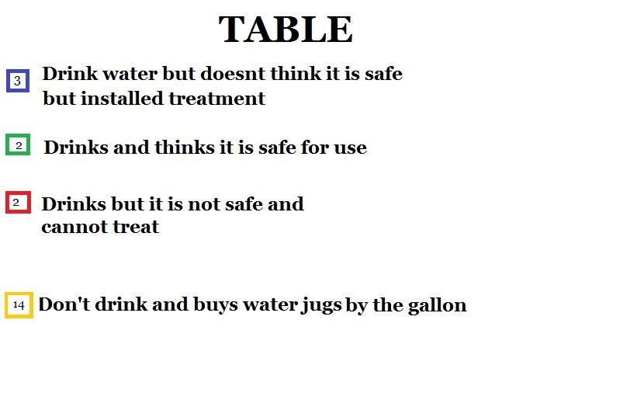
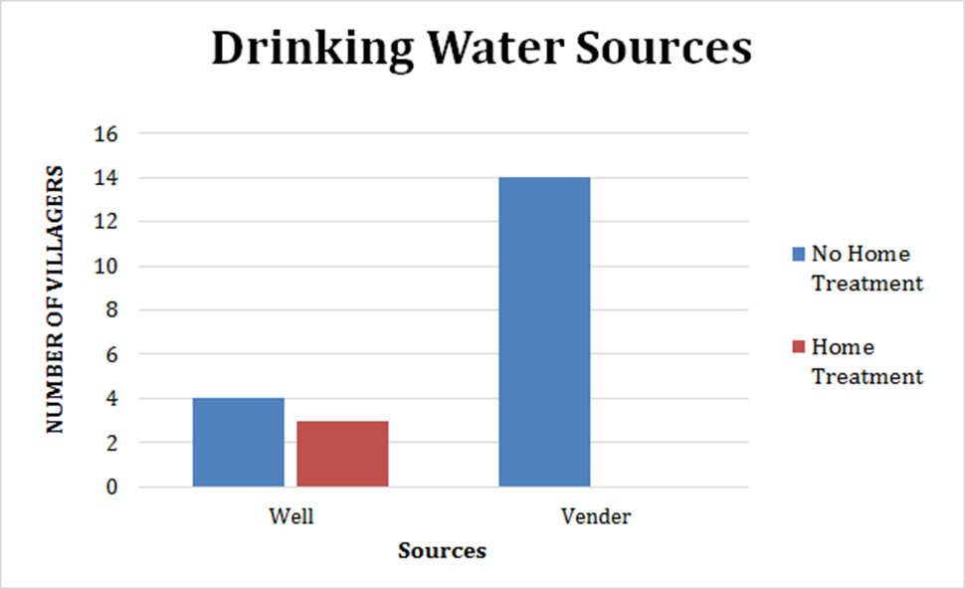
0 | 1
 | It is not safe for this use and purchases water jugs for 10-12 baht a gallon
0 | 1
 | The water is not safe enough to be used for drinking
0 | 1
 | Water is not safe for this purpose and must purchase drinking water
0 | 1
 | Cannot use for drinking, must buy gallon water
0 | 1
 | Cannot use for drinking, must buy gallon water
0 | 1
 | Cannot use for drinking, must buy gallon water

Broken PipesPumps
Broken Pipes/Pumps
Damage effects to pipes and pumps
Y | N
1 | 0
Experience broken pumps or pipes 1-2 times per year
1 | 0
Latest one she heard about was the breakdown of the pump, but maintenance were done within a day. She said that this happens annually and that the villagers could use water from other villages while the system is being fixed.
1 | 0
Yes, pipes were broken because the construction machines ran over them
1 | 0
Yes, pipes were broken because the construction machines ran over them
1 | 0
Yes, pipe was broken once

1 | 0
Yes, pipes were broken because of construction machines
1 | 0
Not often
1 | 0
Both pump and pipes
1 | 0
Both pump and pipes

0 | 1

1 | 0
Says because the pipe was too old
1 | 0
She said that the pipe was broken when the car ran over
1 | 0
No mineral building but the moina was found (but she was not sure whether it came from her own pipe or the underground water pipe)
0 | 1

1 | 0
Yes, the pump broke last year and pipes were broken because of the construction machines

1 | 0
Pipe was broken when the car ran over it
0 | 1

0 | 1

0 | 1

0 | 1

0 | 1

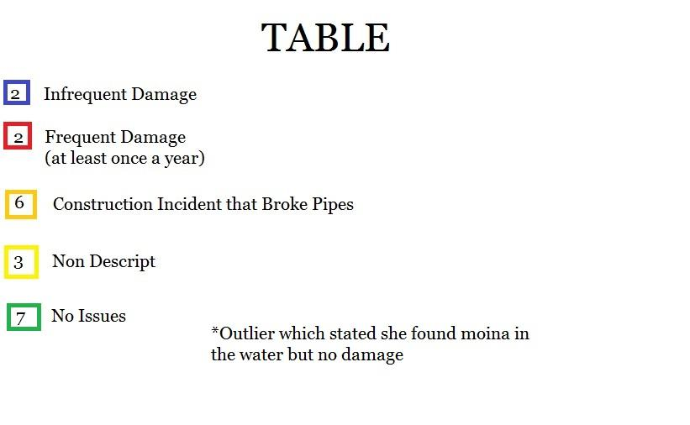

 |  | Infrequent Damage | 2 | 10%
 |  | Frequent Damage | 2 | 10%
 |  | Construction Incident | 6 | 30%
 |  | Non Descript | 3 | 15%
 |  | No Issue | 7 | 35%

Changes to System
Changes to current water system

Y | N
0 | 1 |  | Improve Water Quality | No Changes
 |  | Drinking Standards | 16 | 3
1 | 0 | Non Drinking Standards | 2
Yes, treat the lime (hardness) so that the water can be drinkable
1 | 0
Yes, treatment for drinking standard |  |  | Improve Water Quality | No Changes
0 | 1 | Drinking Standards | 76% | 14%
 |  | Non Drinking Standards | 10%
Changes to the system
 | Drinking Standards | Non Drinking Standards
Improve Water Quality | 16 | 2
No Changes | 3
Desired Changes to the Current water system
 | Drinking Standards | Non Drinking Standards
Improve Water Quality | 76% | 10%
No Changes | 14%
1 | 0
Yes, make it drinkable

1 | 0
Yes, treat the lime and hardness
1 | 0
Yes, treat to drinkable standards
1 | 0
Yes, make it drinkable
1 | 0
Yes, make it drinkable

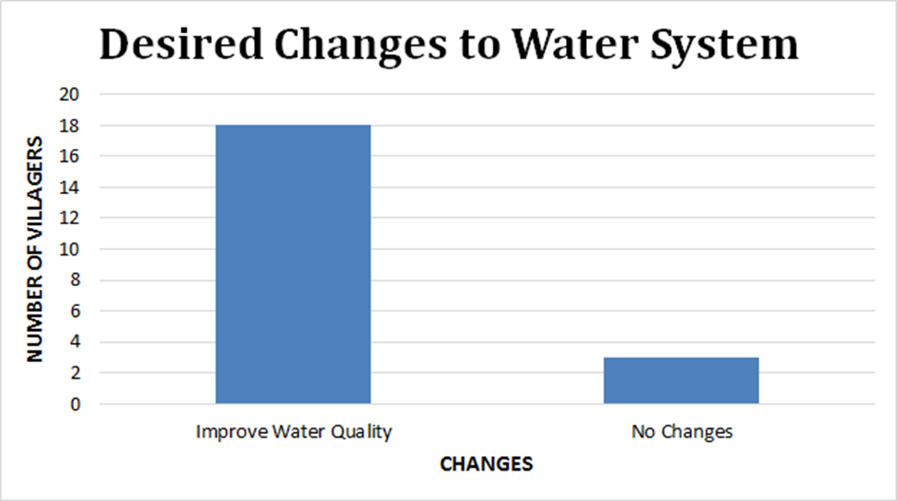
1 | 0
Yes, make it safer for drinking

1 | 0
Make the water safer to drink
1 | 0
Improve quality of water, she also said that would be willing to pay more for better quality water to save money from purchasing drinking water
1 | 0
Improve quality of water to be more clean because current source is of low quality
1 | 0
Improve quality of water, to make sure that it is safe for drinking purposes
0 | 1
 | None, he already has his own treatment installed and people drink directly from tap without treatment

1 | 0
Water from the wells to be drinkable to improve low quality of water and to save cost
1 | 0
She wants water to drink from the wells in order to not have to buy drinkgin water anymore
1 | 0
She wants the water from the well to be drinkable to improve the quality of water
1 | 0
Improve the quality of water to make it drinkable and taste good to also improve quality of water
1 | 0
Improve the quality of water because now the water cannot be used for cooking or drinkgin
1 | 0
Improve the water so that it is safe to drink

Water Quality Perception
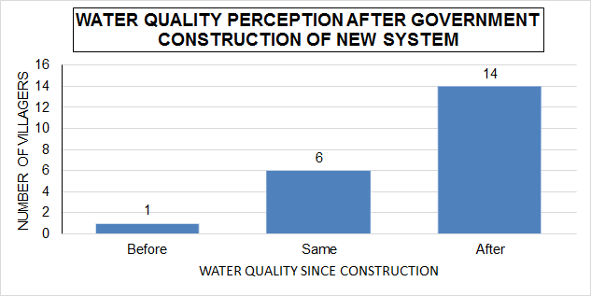
Water quality perception after government construction of new system
Quality of water since construction
Before | After | Same |  | Quality of Water Since Construction
1 | 14 | 6 | Before | 0.048 | 0.048
 |  |  | After | 0.66 | 0.66
 |  |  | Same | 0.292 | 0.292

