Sheet1
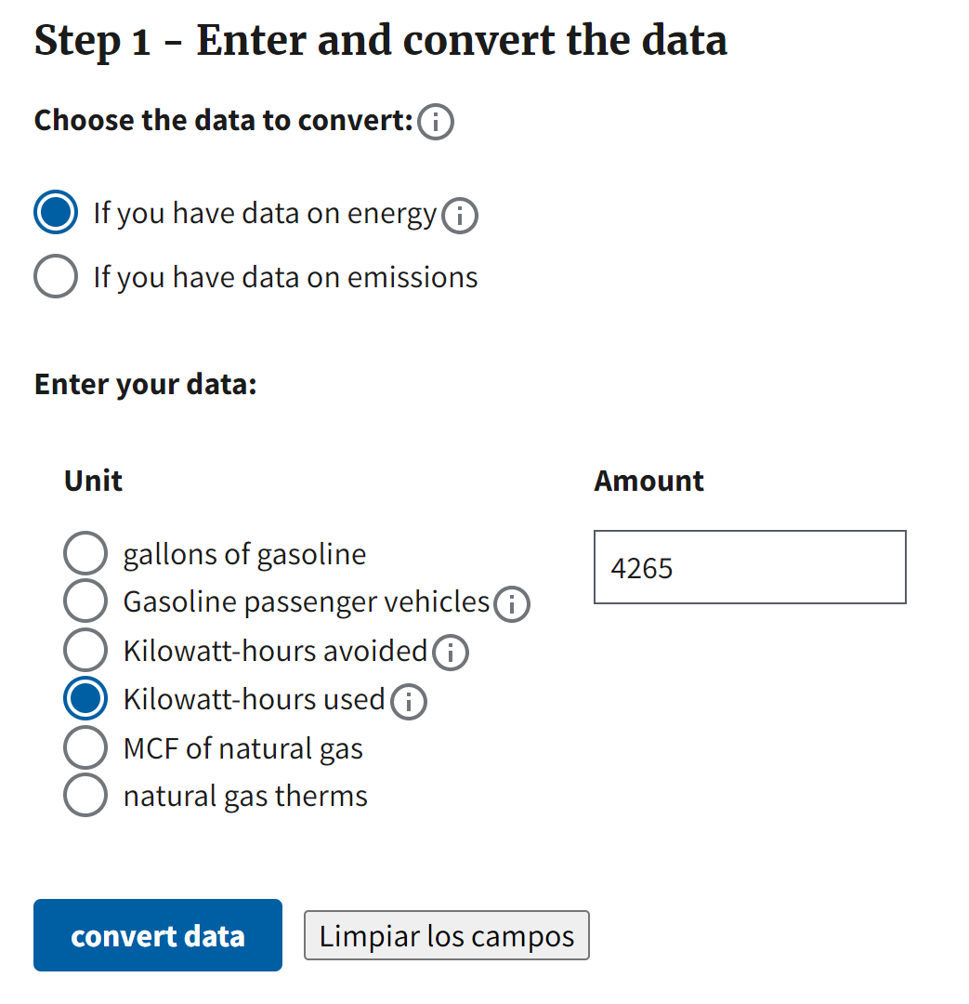
This data was calculated by the Worcester Polytechnic Insititute's D Term 2022 IQP Team on April 26, 2022, for ENLACE's use in glass recycling for the Caño Martín Peña area. | Raw data calculations are located on the left. Charts and data images are located to the right.

Estimated Tons of Glass Sold by Surveyed Establishment per Year
Calculation Source Data
Weight of an Empty Glass Bottle (12 oz) in grams* | 200
Grams per metric ton | 1000000
Kilowatt per horsepower | 0.7457
Hours per week that GP Mini runs for at Bloques Caribe Inc. | 20
Cost of landfill dump in USD per ton (San Juan Landfill) | 42
Estimated cost of limestone per ton in USD ($30-38) | 35
Commercial electricity cost per Kilowatt-hour in San Juan in USD as of 2022*. | 0.24 | *The price is found here: https://www.eia.gov/state/print.php?sid=RQ
Recovery rate (approximation) | 30%
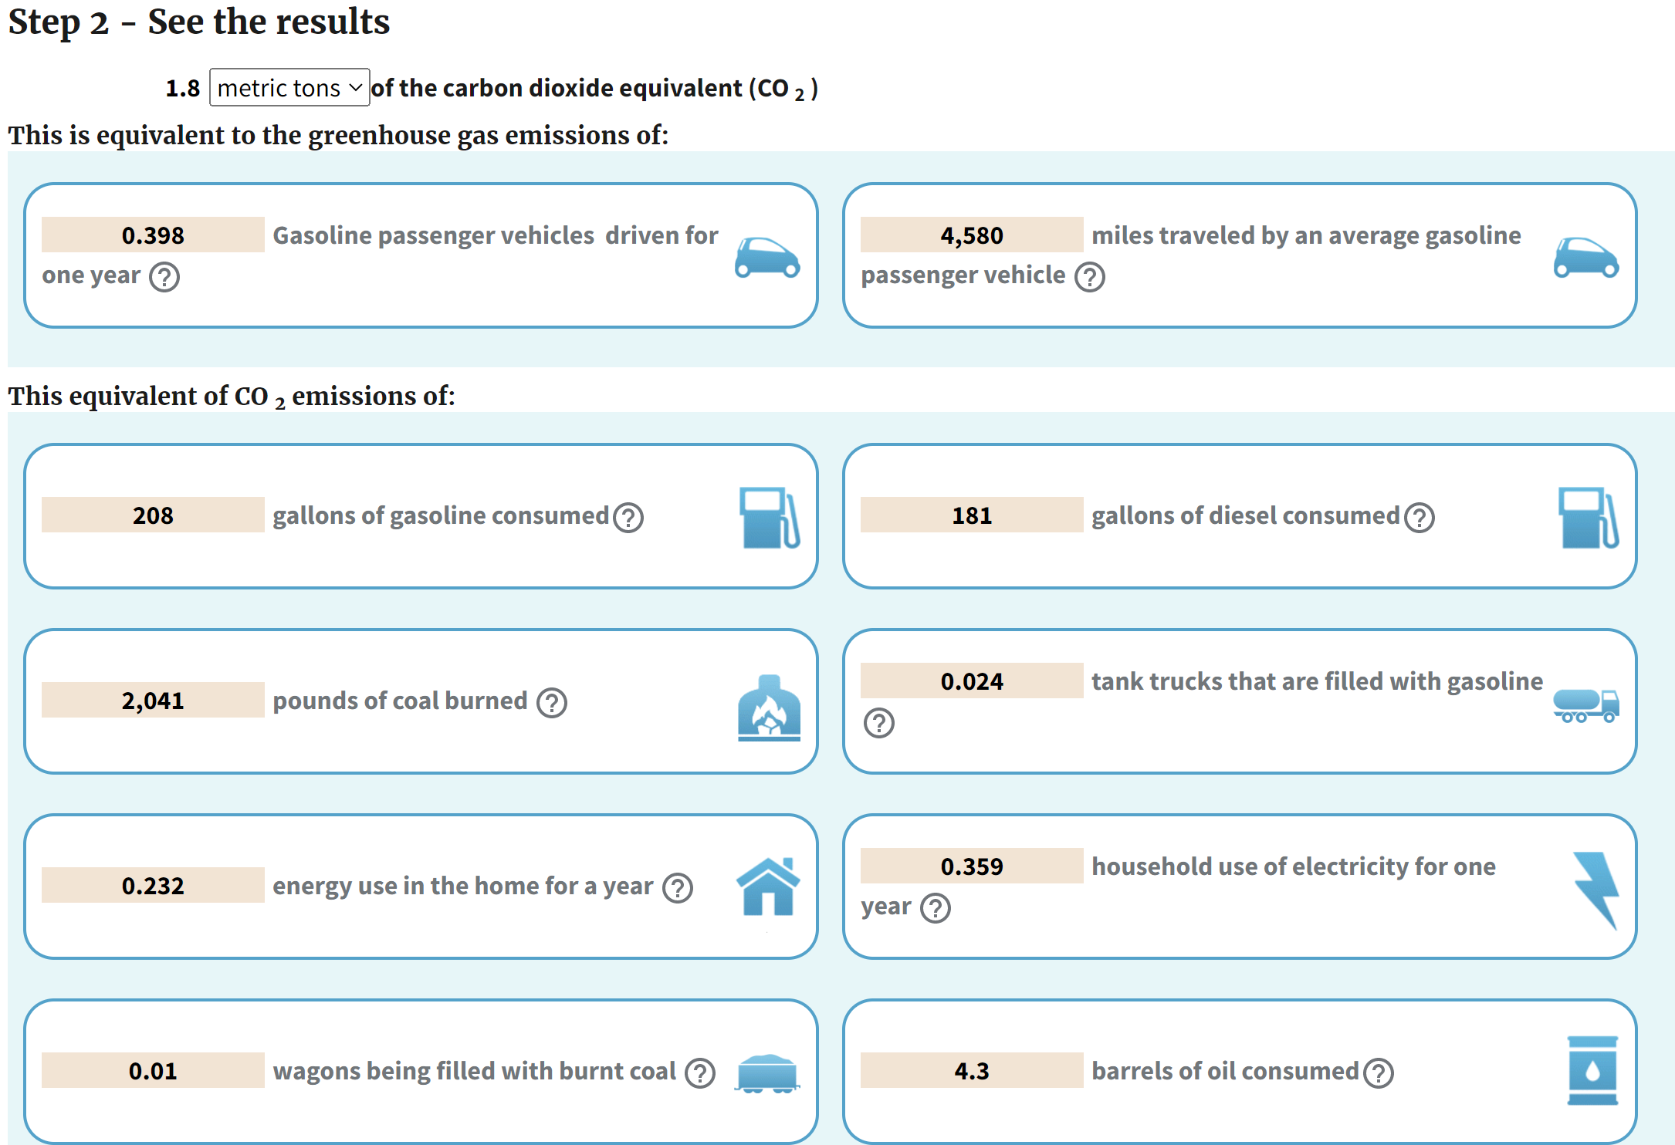
Surveyed Businesses Data
Name of establishment | Bottle sales per week (from survey) | Bottle sales per year | Weight in tons per year
El Retorno | 163 | 8476 | 1.70
La Esquina de Eli | 138 | 7176 | 1.44
La Milagrosa | 500 | 26000 | 5.20
Father and Son | 1250 | 65000 | 13.00
Colmado cuchilandia | 188 | 9776 | 1.96
Colmado and liquor store Cibao | 1375 | 71500 | 14.30
Agencia Hipica 217 | 450 | 23400 | 4.68
Copa del Chevere | 200 | 10400 | 2.08
Total | 4264 | 221728 | 44.35
Estimated Recycled Glass Potential** |  |  | 13.30
**Dependent on the recovery rate of glass

Bloques Caribe Glass Pulverizer Data | Andela GP Mini Machine
Cost of machine delivery and purchase in USD | Horsepower of machine | Kilowatts of machine | Kilowatt-hours used per week** | Kilowatt-hours used per year** | CO2 emissions in tons per year** see more to right | Cost to run machine for one week in USD** | Cost to run machine for one year in USD**
38450 | 5.50 | 4.10 | 82.03 | 4265.40 | 1.80 | 19.69 | 1023.70
**If run for 20 hour per week
Cement Block Data at Bloques Caribe
Weight of 8"x8"x16" Cement Block in grams | Glass % in weight | Glass weight in grams, per 8"x8"x16" block | Glass weight in tons, per 8"x8"x16" block | Cost savings of glass in cement blocks per block | Cost savings from using glass for last year's cement blocks sold
13600 | 0.11 | 1496 | 0.0015 | 0.05 | 507892
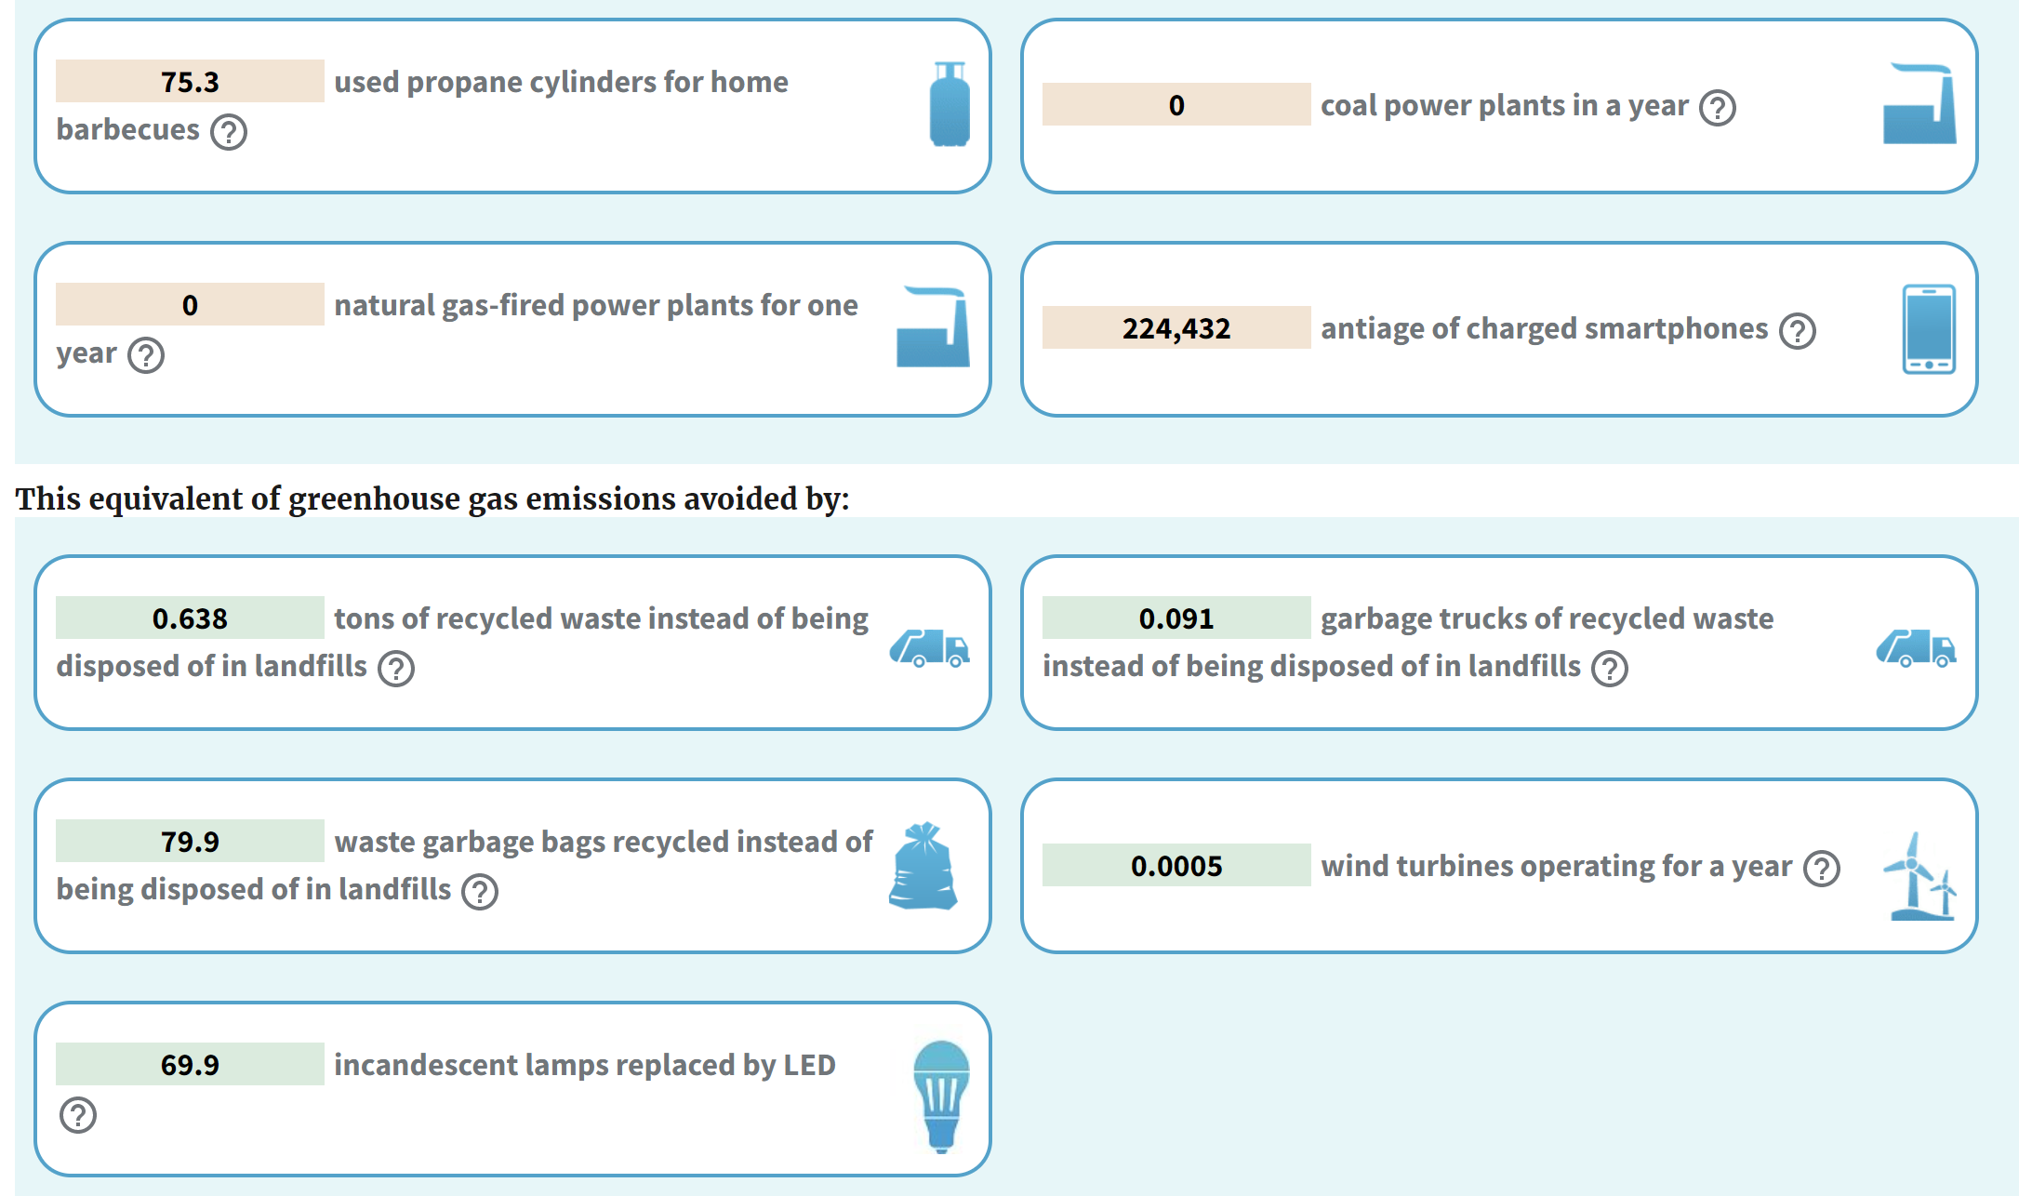
Cement Block Costs in Dollars
Number of cement blocks sold by Bloques Caribe per year | 8"x8"x16" Cement Block - Bloques Caribe Inc. | 8"x8"x16" Cement Block - Home Depot | 8"x8"x16" Cement Block - Lowes | Cost Difference from Bloques Caribe Inc. to Lowes
9700000 | 0.98 | 2.07 | 1.78 | 0.80

Landfill Dump Costs
Tons per year of glass waste from surveyed businesses | Total cost in USD of glass waste in dumped in landfill per year from surveyed businesses
44 | 1863

Cano-wide Glass Generation Estimate
Formal sales* | Informal sales* | Projected bottle weight in tons per year | Total potential recycled glass weight in tons per year
400% | 200% | 266 | 80

*Formal and informal sales are an estimate of the total number of businesses in Caño Martín Peña compared to the study area

