Dimensions
Plan: | Section: | Length (ft): | Plan: | Section: | Radius (ft) | Chord Length (ft) | Angle (degrees) | Area of Half Circle (ft^2): | Area of Square (ft^2): | Total Area (ft^2): | Length of section following cut out(ft)
Pool and Conduits | Conduit from A to B (longest) | 67 | Pool and Conduits | a | 3.59375 | 6.5 | 129.47 | 9.61 | 12.319666645 | 21.929666645 | 0
Pool and Conduits | Conduit from B to C | 25 | Pool and Conduits | b | 3.86458 | 7 | 129.82 | 11.19 | 28.4375 | 39.6275 | 10
Pool and Conduits | Conduit from C to D | 13 | Pool and Conduits | c | 4.12359 | 7.5 | 130.85 | 12.98 | 37.42185 | 50.40185 | 10
Pool and Conduits | Conduit from D to E | 40 | Pool and Conduits | e | 4.6875 | 8.5 | 130.1 | 16.54 | 54.009 | 70.549 | 10
Pool and Conduits | Conduit from Increaser to A | 21 | Pool and Conduits | d | 4.40625 | 8 | 130.41 | 14.7 | 46 | 60.7 | 10
Pool and Conduits | Steel Increaser | 33 | Pool and Conduits | f | 5 | 9 | 128.32 | 18.19 | 60.093 | 78.283 | 10
Pool and Conduits | Conduit from A to B (second longest) | 57 | Pool and Conduits | g | 5 | 9 | 128.32 | 18.19 | 60.093 | 78.283 | 10
Pool and Conduits | Conduit from A to B (smallest) | 37 | Pool and Conduits | h | 4.40625 | 8 | 130.41 | 14.7 | 43.25 | 57.95 | 10
Pool and Conduits | Conduit from A to B (second smallest) | 47 | Pool and Conduits | k | 4.23598 | 8 | 141.57 | 16.59 | 38.0832 | 54.6732 | 10
Pool and Conduits | E to F | 22 | Pool and Conduits | m | 4.12359 | 7.5 | 130.85 | 12.98 | 25.7025 | 38.6825 | 8
Section Through Gate Chambers and Power Station | Venturi Meter | 3 to the center line, 10 total | Pool and Conduits | n | 3.86458 | 7 | 129.82 | 11.19 | 7.80206 | 18.99206 | none?
Section Through Gate Chambers and Power Station | Venturi Meter to center of the valve | 10 | Area of First Hole | 28.27 | 38.4844775
Section Through Gate Chambers and Power Station | Aqueduct pipe | 10 | Ratio First hole | 0.1734939759 | 0.16666666667 | AutoCAD Check:
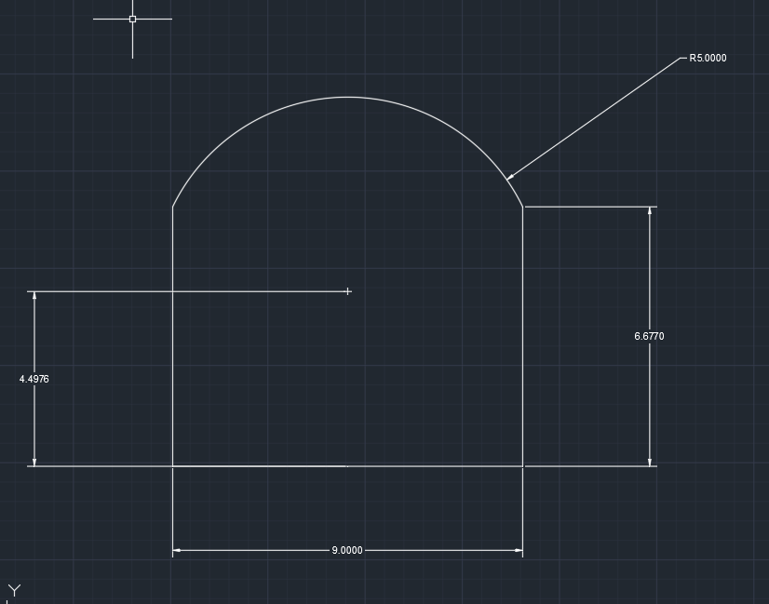
Section Through Gate Chambers and Power Station | Center of valve to T valve | 20 | Second hole | 38.4844775 | 38.4844775 | Section | Area (in^2) | Area (ft^2) | Picture
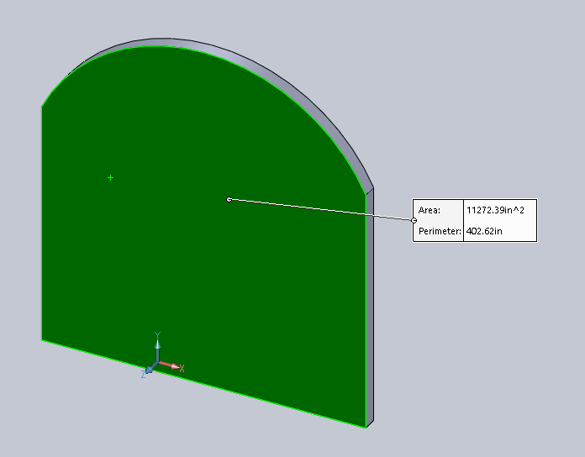
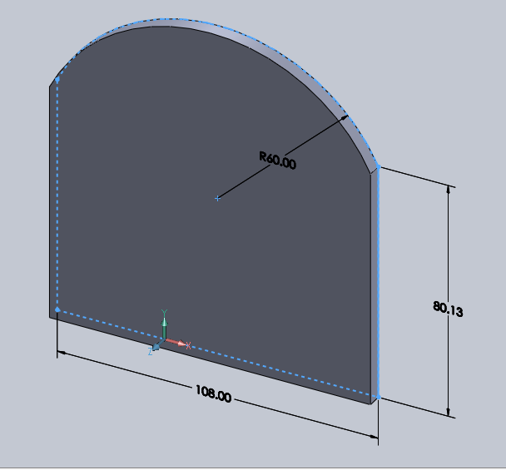
Section Through Gate Chambers and Power Station | T valve length | 7 | Ratio Second hole | 0.23614457831 | 0.16666666667 | g | 11273.39 | 78.287430556
Section Through Gate Chambers and Power Station | T valve height | 6 | Third Hole | 38.4844775 | 38.4844775 | g |  | 78.2797
Section Through Gate Chambers and Power Station | T valve to hydroelectric valve above | 5 | Ratio Third hole | 0.23614457831 | 0.16666666667
Section Through Gate Chambers and Power Station | T valve to hydroelectric valve to the right | 10 (pipe gets smaller),6 constant diameter, verticle line to the valve is 5 | Fourth Hole | 38.4844775 | 38.4844775
 |  |  | Ratio Fourth hole | 0.23614457831 | 0.16666666667
 |  |  | Fifth Hole | 19.24223875 | 38.4844775
 |  |  | Ratio Fifth hole | 0.11807228916 | 0.16666666667
 |  |  | Sixth Hole | 0 | 38.4844775
 |  |  | Ratio Sixth Hole | 0 | 0.16666666667
 |  |  | Total Area | 162.97 | 230.906865

